Cover
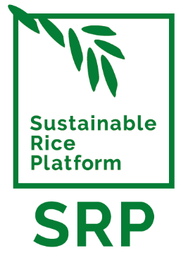

Internal Assessment for
Participating Operators
SRP Chain of Custody v2.6 Checklist

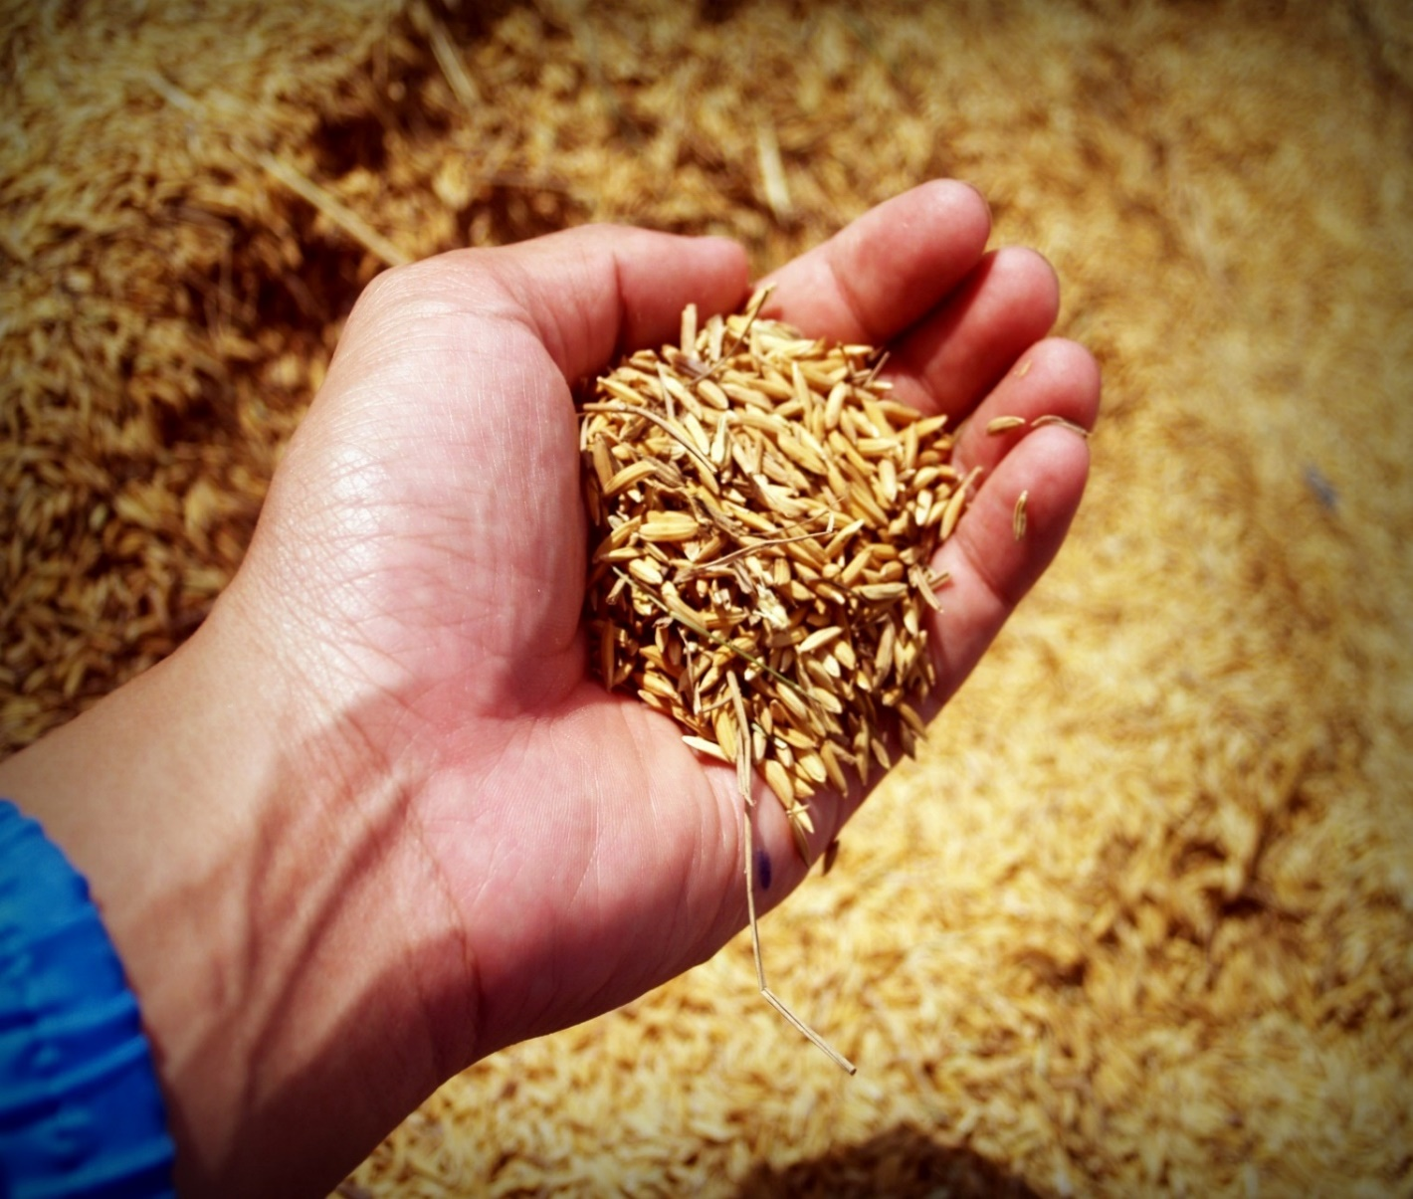

Insert cover image here

Jun-26 | Ref: NO-040626-ED-EN-066
www.sustainablerice.org

